Usability Testing
Type | Test Item | Defenition of Acceptable | Test Method | Qual/Quant | Result | Status
Critical | What levels do player's find most interesting/fun? | Most interesting levels are all represented in the PAX build | Survey conducted at playtesting events | Qualitative | 1:3, 2:1 | Acceptable
Critical | What levels do player's find least interesting/fun? | Least interesting levels are not represented in the PAX build | Survey conducted at playtesting events | Qualitative | 1:1, 2:2 | Acceptable
Major | What levels do player's struggle the most on (time taken to complete)? | Hardest levels are presented as the last level of each act (or changed if they are too hard (>5 mins to complete)) | Reporting drawn from code after playtest | Quantitative | 3:3, 1:2, 3:2 | Acceptable
Major | What levels do player's struggle the most on (number of deaths)? | Hardest levels are presented as the last level of each act (or changed if they are too hard (>20 deaths to complete)) | Reporting drawn from code after playtest | Quantitative | 3:3, 1:2, 2:3 | Acceptable
Major | What levels do player's find the easiest (time taken to complete)? | Easiest levels are presented as the first levels of each act | Reporting drawn from code after playtest | Quantitative | 1:1, 3:1, 2:1 | Acceptable
Major | What levels do player's find the easiest (number of deaths)? | Easiest levels are presented as the first levels of each act | Reporting drawn from code after playtest | Quantitative | 1:1, 2:1, 3:1 | Acceptable

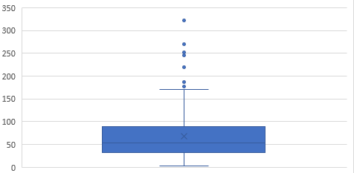
Level | Level Played how Many Times | Time Taken to Complete (s) | Deaths |  | Time Taken Data 2:3
1:1 | 345 | 36 | 0
1:2 | 216 | 92 | 8
1:3 | 645 | 54 | 3
2:1 | 633 | 44 | 0
2:2 | 504 | 61 | 1
2:3 | 478 | 70 | 6
3:1 | 306 | 37 | 0
3:2 | 333 | 81 | 4
3:3 | 398 | 104 | 9

Observations
1:2 was probably too hard to have placed as the second level, this is clear through the number of deaths and time taken to complete and also sheds some light as to why it is the least played level - was skipped by the team the most
3:3 was appropriately designed as the hardest level in terms of deaths and time taken to complete, that said, it still had more plays than all the other levels in Act 3. This was because sometimes the team would skip there to give good players a challenge
1:3 was the most played level by far along with 2:1, this is because the team would often skip there to demonstrate the tangling mechanics. Also 2:1 demonstrates the slingshot mechanic so the retention rate between the two levels was also very high. This is consistent with the survey feedback that 1:3 and 2:1 were the "best" levels in the game

Critical |  |  |  | Qualitative |  | Unacceptable
Major |  |  |  | Quantitative |  | More Data Needed
Minor |  |  |  |  |  | Acceptable
Cosmetic

